FTW
 |  |  |  |  |  |  |  |  | OS | S | M | L | XL | - | $-
PHOTO | REFERENCE | DESCRIPTION | COLOR | GENDER | CATEGORY | DELIVERY | PRICES | Total Available |  |  | AVAILABILITY |  |  | Order (PCS) | TOTAL (US$)
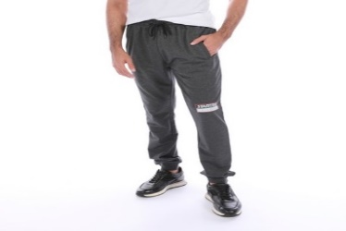 | STMJGY-01-05-A-874 | Joggers Pants | H.BLACK | Men's | Pants | Ready for delivery at the brand's warehouse | $12.50 | 163 |  |  |  |  |  | 0 | $-
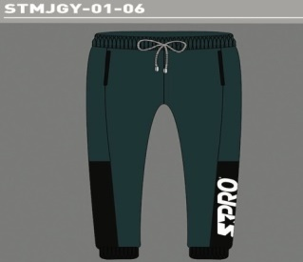 | STMJGY-01-06-A-339 | Joggers Pants | BLUETEAL. | Men's | Pants | Ready for delivery at the brand's warehouse | $12.50 | 137 |  |  |  |  |  | 0 | $-
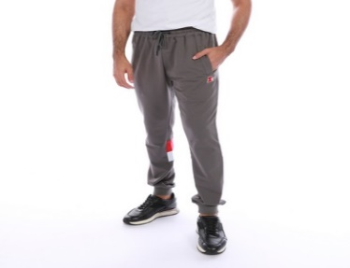 | STMJGY-01-08-A-016 | Joggers Pants | DK-GREY | Men's | Pants | Ready for delivery at the brand's warehouse | $12.50 | 26 |  |  |  |  |  | 0 | $-
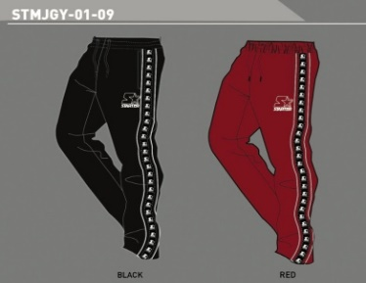 | STMJGY-01-09-A-003 | Joggers Pants | BLACK | Men's | Pants | Ready for delivery at the brand's warehouse | $12.50 | 38 |  |  |  |  |  | 0 | $-
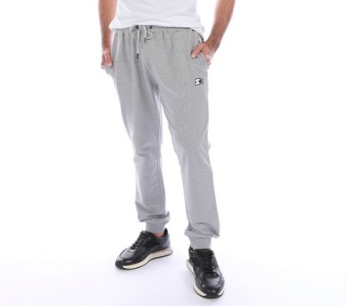 | STMJGY-01-20-A-026 | Joggers Pants | WINE | Men's | Pants | Ready for delivery at the brand's warehouse | $12.50 | 311 |  |  |  |  |  | 0 | $-
 | STMJGY-01-20-A-036 | Joggers Pants | LT-GREY | Men's | Pants | Ready for delivery at the brand's warehouse | $12.50 | 40 |  |  |  |  |  | 0 | $-
 | STMJGY-01-20-A-097 | Joggers Pants | MINT | Men's | Pants | Ready for delivery at the brand's warehouse | $12.50 | 115 |  |  |  |  |  | 0 | $-
 | STMJGY-01-20-A-327 | Joggers Pants | MILITARGREEN | Men's | Pants | Ready for delivery at the brand's warehouse | $12.50 | 65 |  |  |  |  |  | 0 | $-
 | STMJGY-01-20-A-874 | Joggers Pants | H.BLACK | Men's | Pants | Ready for delivery at the brand's warehouse | $12.50 | 67 |  |  |  |  |  | 0 | $-
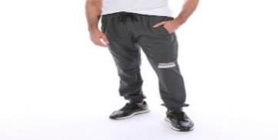 | STMJGYC-01-05-A-874 | Joggers Pants | H.BLACK | Men's | Pants | Ready for delivery at the brand's warehouse | $12.50 | 59 |  |  |  |  |  | 0 | $-
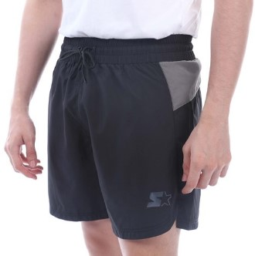 | STRSPORTC-01-12-A-016 | Shorts | DK-GREY | Men's | Shorts | Ready for delivery at the brand's warehouse | $9.50 | 12 |  |  |  |  |  | 0 | $-
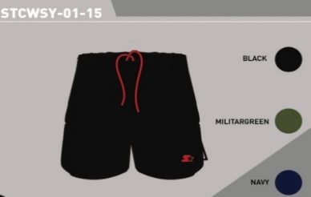 | STCWSY-01-15-A-002 | Shorts | NAVY | Men's | Shorts | Ready for delivery at the brand's warehouse | $9.50 | 192 |  |  |  |  |  | 0 | $-
 | STCWSY-01-15-A-003 | Shorts | BLACK | Men's | Shorts | Ready for delivery at the brand's warehouse | $9.50 | 131 |  |  |  |  |  | 0 | $-
 | STCWSY-01-15-A-327 | Shorts | MILITARGREEN | Men's | Shorts | Ready for delivery at the brand's warehouse | $9.50 | 251 |  |  |  |  |  | 0 | $-
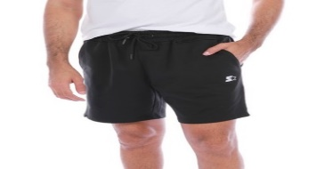 | STMHDY-01-22-A-026 | Shorts | WINE | Men's | Shorts | Ready for delivery at the brand's warehouse | $9.50 | 127 |  |  |  |  |  | 0 | $-
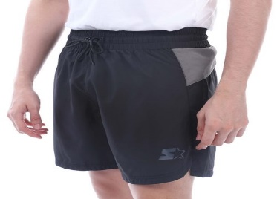 | STRSPORT-01-12-A-002 | Shorts | NAVY | Men's | Shorts | Ready for delivery at the brand's warehouse | $9.50 | 156 |  |  |  |  |  | 0 | $-
 | STRSPORT-01-12-A-016 | Shorts | DK-GREY | Men's | Shorts | Ready for delivery at the brand's warehouse | $9.50 | 156 |  |  |  |  |  | 0 | $-
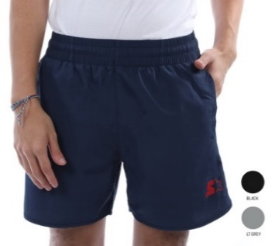 | STRSPORT-01-15-A-006 | Shorts | RED | Men's | Shorts | Ready for delivery at the brand's warehouse | $9.50 | 348 |  |  |  |  |  | 0 | $-
 | STRSPORT-01-15-A-355 | Shorts | BLUE OCEAN | Men's | Shorts | Ready for delivery at the brand's warehouse | $9.50 | 70 |  |  |  |  |  | 0 | $-
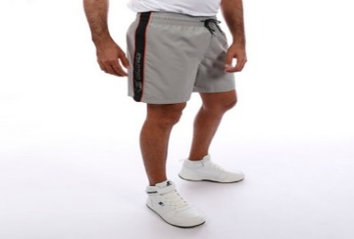 | STSSY-01-08-A-003 | Shorts | BLACK | Men's | Shorts | Ready for delivery at the brand's warehouse | $9.50 | 252 |  |  |  |  |  | 0 | $-
 | STSSY-01-08-A-020 | Shorts | ROYAL BLUE | Men's | Shorts | Ready for delivery at the brand's warehouse | $9.50 | 300 |  |  |  |  |  | 0 | $-
 | STSSY-01-08-A-036 | Shorts | LT-GREY | Men's | Shorts | Ready for delivery at the brand's warehouse | $9.50 | 286 |  |  |  |  |  | 0 | $-
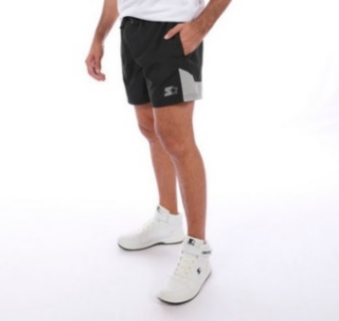 | STSSY-01-09-A-003 | Shorts | BLACK | Men's | Shorts | Ready for delivery at the brand's warehouse | $9.50 | 129 |  |  |  |  |  | 0 | $-
 | STSSY-01-09-A-026 | Shorts | WINE | Men's | Shorts | Ready for delivery at the brand's warehouse | $9.50 | 353 |  |  |  |  |  | 0 | $-
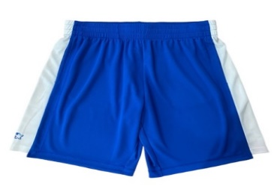 | STCWSY-01-09-A-003 | Sport Bermuda Shorts | BLACK | Men's | Shorts | Ready for delivery at the brand's warehouse | $9.50 | 262 |  |  |  |  |  | 0 | $-
 | STCWSY-01-09-A-006 | Sport Bermuda Shorts | RED | Men's | Shorts | Ready for delivery at the brand's warehouse | $9.50 | 330 |  |  |  |  |  | 0 | $-
 | STCWSY-01-09-A-020 | Sport Bermuda Shorts | ROYAL BLUE | Men's | Shorts | Ready for delivery at the brand's warehouse | $9.50 | 311 |  |  |  |  |  | 0 | $-
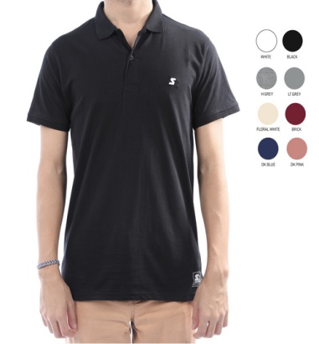 | STAPLY-01-02-A-001 | Short Sleeve T-Shirts | WHITE | Men's | T-Shirts | Ready for delivery at the brand's warehouse | $10.50 | 71 |  |  |  |  |  | 0 | $-
 | STAPLY-01-02-A-003 | Short Sleeve T-Shirts | BLACK | Men's | T-Shirts | Ready for delivery at the brand's warehouse | $10.50 | 57 |  |  |  |  |  | 0 | $-
 | STAPLY-01-02-A-005 | Short Sleeve T-Shirts | GREEN | Men's | T-Shirts | Ready for delivery at the brand's warehouse | $10.50 | 143 |  |  |  |  |  | 0 | $-
 | STAPLY-01-02-A-007 | Short Sleeve T-Shirts | H-GREY | Men's | T-Shirts | Ready for delivery at the brand's warehouse | $10.50 | 60 |  |  |  |  |  | 0 | $-
 | STAPLY-01-02-A-036 | Short Sleeve T-Shirts | LT-GREY | Men's | T-Shirts | Ready for delivery at the brand's warehouse | $10.50 | 107 |  |  |  |  |  | 0 | $-
 | STAPLY-01-02-A-048 | Short Sleeve T-Shirts | BRICK | Men's | T-Shirts | Ready for delivery at the brand's warehouse | $10.50 | 118 |  |  |  |  |  | 0 | $-
 | STAPLY-01-02-A-088 | Short Sleeve T-Shirts | DK. BLUE | Men's | T-Shirts | Ready for delivery at the brand's warehouse | $10.50 | 107 |  |  |  |  |  | 0 | $-
 | STAPLY-01-02-A-089 | Short Sleeve T-Shirts | LT-PINK | Men's | T-Shirts | Ready for delivery at the brand's warehouse | $10.50 | 119 |  |  |  |  |  | 0 | $-
 | STAPLY-01-02-A-136 | Short Sleeve T-Shirts | DK PINK | Men's | T-Shirts | Ready for delivery at the brand's warehouse | $10.50 | 131 |  |  |  |  |  | 0 | $-
 | STAPLY-01-02-A-951 | Short Sleeve T-Shirts | FLORAL WHITE | Men's | T-Shirts | Ready for delivery at the brand's warehouse | $10.50 | 143 |  |  |  |  |  | 0 | $-
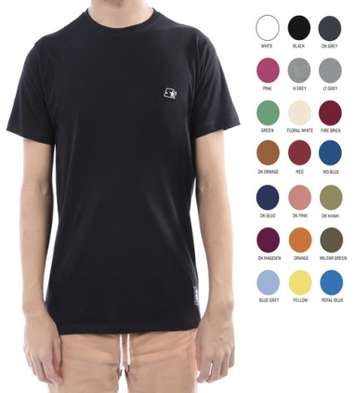 | STATSY-01-01-A-004 | Collarless Short Sleeve T-Shirts | ORANGE | Men's | T-Shirts | Ready for delivery at the brand's warehouse | $9.50 | 71 |  |  |  |  |  | 0 | $-
 | STATSY-01-01-A-005 | Collarless Short Sleeve T-Shirts | GREEN | Men's | T-Shirts | Ready for delivery at the brand's warehouse | $9.50 | 69 |  |  |  |  |  | 0 | $-
 | STATSY-01-01-A-020 | Collarless Short Sleeve T-Shirts | ROYAL BLUE | Men's | T-Shirts | Ready for delivery at the brand's warehouse | $9.50 | 34 |  |  |  |  |  | 0 | $-
 | STATSY-01-01-A-048 | Collarless Short Sleeve T-Shirts | BRICK | Men's | T-Shirts | Ready for delivery at the brand's warehouse | $9.50 | 20 |  |  |  |  |  | 0 | $-
 | STATSY-01-01-A-052 | Collarless Short Sleeve T-Shirts | DK-KHAKI | Men's | T-Shirts | Ready for delivery at the brand's warehouse | $9.50 | 59 |  |  |  |  |  | 0 | $-
 | STATSY-01-01-A-057 | Collarless Short Sleeve T-Shirts | DK-ORANGE | Men's | T-Shirts | Ready for delivery at the brand's warehouse | $9.50 | 59 |  |  |  |  |  | 0 | $-
 | STATSY-01-01-A-087 | Collarless Short Sleeve T-Shirts | MD BLUE | Men's | T-Shirts | Ready for delivery at the brand's warehouse | $9.50 | 44 |  |  |  |  |  | 0 | $-
 | STATSY-01-01-A-088 | Collarless Short Sleeve T-Shirts | DK. BLUE | Men's | T-Shirts | Ready for delivery at the brand's warehouse | $9.50 | 47 |  |  |  |  |  | 0 | $-
 | STATSY-01-01-A-089 | Collarless Short Sleeve T-Shirts | LT-PINK | Men's | T-Shirts | Ready for delivery at the brand's warehouse | $9.50 | 83 |  |  |  |  |  | 0 | $-
 | STATSY-01-01-A-136 | Collarless Short Sleeve T-Shirts | DK PINK | Men's | T-Shirts | Ready for delivery at the brand's warehouse | $9.50 | 35 |  |  |  |  |  | 0 | $-
 | STATSY-01-01-A-208 | Collarless Short Sleeve T-Shirts | MAGENTA | Men's | T-Shirts | Ready for delivery at the brand's warehouse | $9.50 | 83 |  |  |  |  |  | 0 | $-
 | STATSY-01-01-A-951 | Collarless Short Sleeve T-Shirts | FLORAL WHITE | Men's | T-Shirts | Ready for delivery at the brand's warehouse | $9.50 | 35 |  |  |  |  |  | 0 | $-
 | STATSY-01-07-A-087 | Collarless Short Sleeve T-Shirts | MD BLUE | Men's | T-Shirts | Ready for delivery at the brand's warehouse | $9.50 | 47 |  |  |  |  |  | 0 | $-
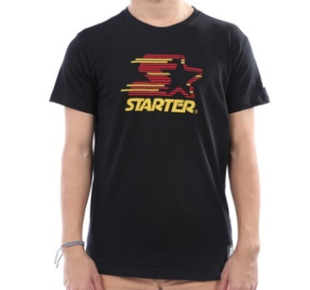 | STATSY-01-16-A-020 | Collarless Short Sleeve T-Shirts | ROYAL BLUE | Men's | T-Shirts | Ready for delivery at the brand's warehouse | $9.50 | 56 |  |  |  |  |  | 0 | $-
 | STATSY-01-16-A-036 | Collarless Short Sleeve T-Shirts | LT-GREY | Men's | T-Shirts | Ready for delivery at the brand's warehouse | $9.50 | 72 |  |  |  |  |  | 0 | $-
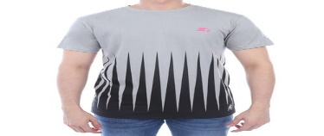 | STATSY-01-17-A-036 | Collarless Short Sleeve T-Shirts | LT-GREY | Men's | T-Shirts | Ready for delivery at the brand's warehouse | $9.50 | 68 |  |  |  |  |  | 0 | $-
 | STATSY-01-20-A-087 | Collarless Short Sleeve T-Shirts | MD BLUE | Men's | T-Shirts | Ready for delivery at the brand's warehouse | $9.50 | 54 |  |  |  |  |  | 0 | $-
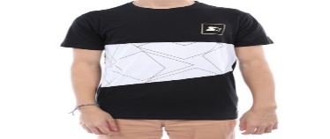 | STATSY-01-25-A-003 | Collarless Short Sleeve T-Shirts | BLACK | Men's | T-Shirts | Ready for delivery at the brand's warehouse | $9.50 | 72 |  |  |  |  |  | 0 | $-
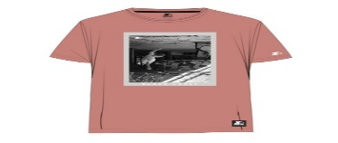 | STATSY-01-27-A-136 | Collarless Short Sleeve T-Shirts | DK PINK | Men's | T-Shirts | Ready for delivery at the brand's warehouse | $9.50 | 72 |  |  |  |  |  | 0 | $-
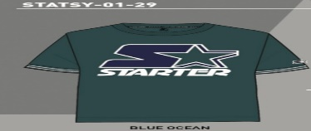 | STATSY-01-29-A-355 | Collarless Short Sleeve T-Shirts | BLUE OCEAN | Men's | T-Shirts | Ready for delivery at the brand's warehouse | $9.50 | 23 |  |  |  |  |  | 0 | $-
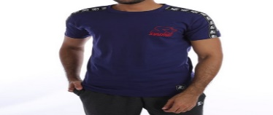 | STATSY-01-30-A-127 | Collarless Short Sleeve T-Shirts | TANJO RED | Men's | T-Shirts | Ready for delivery at the brand's warehouse | $9.50 | 24 |  |  |  |  |  | 0 | $-
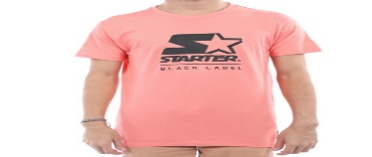 | STATSY-01-33-A-136 | Collarless Short Sleeve T-Shirts | DK PINK | Men's | T-Shirts | Ready for delivery at the brand's warehouse | $9.50 | 22 |  |  |  |  |  | 0 | $-
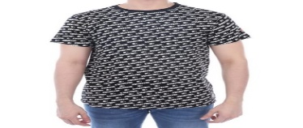 | STATSY-01-35-A-003 | Collarless Short Sleeve T-Shirts | BLACK | Men's | T-Shirts | Ready for delivery at the brand's warehouse | $9.50 | 72 |  |  |  |  |  | 0 | $-
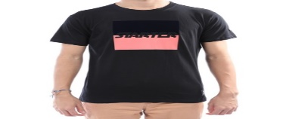 | STATSY-01-36-A-003 | Collarless Short Sleeve T-Shirts | BLACK | Men's | T-Shirts | Ready for delivery at the brand's warehouse | $9.50 | 72 |  |  |  |  |  | 0 | $-
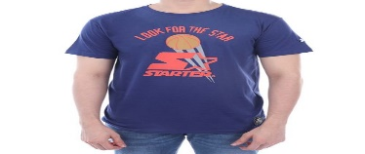 | STATSY-01-40-A-088 | Collarless Short Sleeve T-Shirts | DK. BLUE | Men's | T-Shirts | Ready for delivery at the brand's warehouse | $9.50 | 84 |  |  |  |  |  | 0 | $-
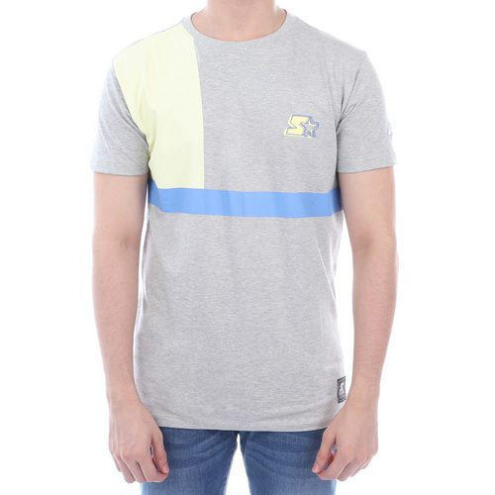 | STATSY-01-42-A-003 | Collarless Short Sleeve T-Shirts | BLACK | Men's | T-Shirts | Ready for delivery at the brand's warehouse | $9.50 | 127 |  |  |  |  |  | 0 | $-
 | STATSY-01-42-A-007 | Collarless Short Sleeve T-Shirts | H-GREY | Men's | T-Shirts | Ready for delivery at the brand's warehouse | $9.50 | 95 |  |  |  |  |  | 0 | $-
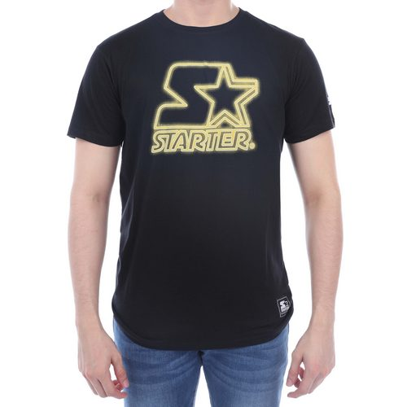 | STATSY-01-43-A-001 | Collarless Short Sleeve T-Shirts | WHITE | Men's | T-Shirts | Ready for delivery at the brand's warehouse | $9.50 | 33 |  |  |  |  |  | 0 | $-
 | STATSY-01-43-A-020 | Collarless Short Sleeve T-Shirts | ROYAL BLUE | Men's | T-Shirts | Ready for delivery at the brand's warehouse | $9.50 | 47 |  |  |  |  |  | 0 | $-
 | STATSY-01-43-A-127 | Collarless Short Sleeve T-Shirts | TANJO RED | Men's | T-Shirts | Ready for delivery at the brand's warehouse | $9.50 | 35 |  |  |  |  |  | 0 | $-
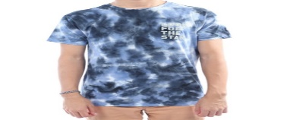 | STATSY-01-44-A-020 | Collarless Short Sleeve T-Shirts | ROYAL BLUE | Men's | T-Shirts | Ready for delivery at the brand's warehouse | $9.50 | 24 |  |  |  |  |  | 0 | $-
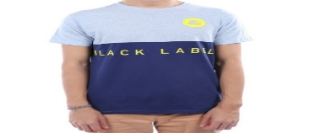 | STATSY-01-45-A-088 | Collarless Short Sleeve T-Shirts | DK. BLUE | Men's | T-Shirts | Ready for delivery at the brand's warehouse | $9.50 | 83 |  |  |  |  |  | 0 | $-
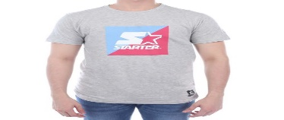 | STATSY-01-51-A-020 | Collarless Short Sleeve T-Shirts | ROYAL BLUE | Men's | T-Shirts | Ready for delivery at the brand's warehouse | $9.50 | 23 |  |  |  |  |  | 0 | $-
 | STATSY-01-52-A-327 | Collarless Short Sleeve T-Shirts | MILITARGREEN | Men's | T-Shirts | Ready for delivery at the brand's warehouse | $9.50 | 72 |  |  |  |  |  | 0 | $-
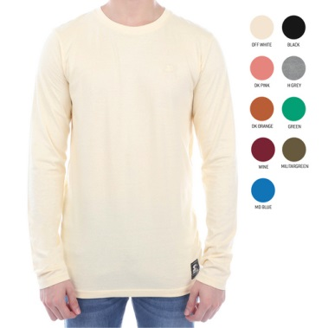 | STATSY-01-02-A-007 | Collarless Long Sleeve T-Shirts | H-GREY | Men's | T-Shirts | Ready for delivery at the brand's warehouse | $9.50 | 17 |  |  |  |  |  | 0 | $-
 | STATSY-01-02-A-048 | Collarless Long Sleeve T-Shirts | BRICK | Men's | T-Shirts | Ready for delivery at the brand's warehouse | $9.50 | 131 |  |  |  |  |  | 0 | $-
 | STATSY-01-02-A-057 | Collarless Long Sleeve T-Shirts | DK-ORANGE | Men's | T-Shirts | Ready for delivery at the brand's warehouse | $9.50 | 119 |  |  |  |  |  | 0 | $-
 | STATSY-01-02-A-087 | Collarless Long Sleeve T-Shirts | MD BLUE | Men's | T-Shirts | Ready for delivery at the brand's warehouse | $9.50 | 77 |  |  |  |  |  | 0 | $-
 | STATSY-01-02-A-089 | Collarless Long Sleeve T-Shirts | LT-PINK | Men's | T-Shirts | Ready for delivery at the brand's warehouse | $9.50 | 167 |  |  |  |  |  | 0 | $-
 | STATSY-01-02-A-951 | Collarless Long Sleeve T-Shirts | FLORAL WHITE | Men's | T-Shirts | Ready for delivery at the brand's warehouse | $9.50 | 84 |  |  |  |  |  | 0 | $-
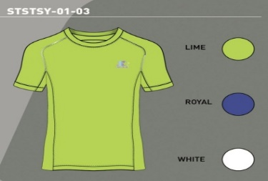 | STSTSY-01-03-A-001 | Sport Collarless Short Sleeve T-Shirts | WHITE | Men's | T-Shirts | Ready for delivery at the brand's warehouse | $9.50 | 216 |  |  |  |  |  | 0 | $-
 | STSTSY-01-03-A-075 | Sport Collarless Short Sleeve T-Shirts | LIME | Men's | T-Shirts | Ready for delivery at the brand's warehouse | $9.50 | 348 |  |  |  |  |  | 0 | $-
 | STSTSY-01-03-A-257 | Sport Collarless Short Sleeve T-Shirts | ROYAL | Men's | T-Shirts | Ready for delivery at the brand's warehouse | $9.50 | 228 |  |  |  |  |  | 0 | $-
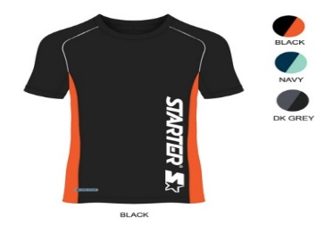 | STSTSY-01-08-A-002 | Sport Collarless Short Sleeve T-Shirts | NAVY | Men's | T-Shirts | Ready for delivery at the brand's warehouse | $9.50 | 324 |  |  |  |  |  | 0 | $-
 | STSTSY-01-08-A-003 | Sport Collarless Short Sleeve T-Shirts | BLACK | Men's | T-Shirts | Ready for delivery at the brand's warehouse | $9.50 | 300 |  |  |  |  |  | 0 | $-
 | STSTSY-01-08-A-016 | Sport Collarless Short Sleeve T-Shirts | DK-GREY | Men's | T-Shirts | Ready for delivery at the brand's warehouse | $9.50 | 251 |  |  |  |  |  | 0 | $-
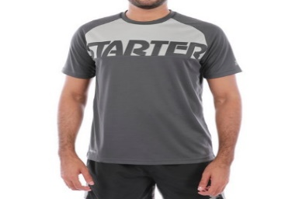 | STSTSY-01-09-A-002 | Sport Collarless Short Sleeve T-Shirts | NAVY | Men's | T-Shirts | Ready for delivery at the brand's warehouse | $9.50 | 312 |  |  |  |  |  | 0 | $-
 | STSTSY-01-09-A-003 | Sport Collarless Short Sleeve T-Shirts | BLACK | Men's | T-Shirts | Ready for delivery at the brand's warehouse | $9.50 | 300 |  |  |  |  |  | 0 | $-
 | STSTSY-01-09-A-016 | Sport Collarless Short Sleeve T-Shirts | DK-GREY | Men's | T-Shirts | Ready for delivery at the brand's warehouse | $9.50 | 288 |  |  |  |  |  | 0 | $-
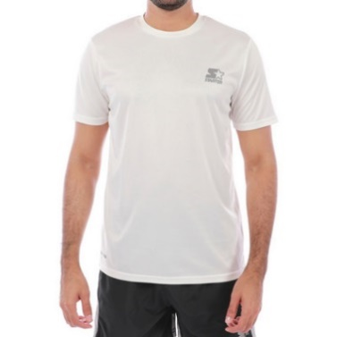 | STSTSY-01-11-A-001 | Sport Collarless Short Sleeve T-Shirts | WHITE | Men's | T-Shirts | Ready for delivery at the brand's warehouse | $9.50 | 150 |  |  |  |  |  | 0 | $-
 | STSTSY-01-11-A-003 | Sport Collarless Short Sleeve T-Shirts | BLACK | Men's | T-Shirts | Ready for delivery at the brand's warehouse | $9.50 | 102 |  |  |  |  |  | 0 | $-
 | STSTSY-01-11-A-004 | Sport Collarless Short Sleeve T-Shirts | ORANGE | Men's | T-Shirts | Ready for delivery at the brand's warehouse | $9.50 | 298 |  |  |  |  |  | 0 | $-
 | STSTSY-01-11-A-019 | Sport Collarless Short Sleeve T-Shirts | SKY-BLUE | Men's | T-Shirts | Ready for delivery at the brand's warehouse | $9.50 | 201 |  |  |  |  |  | 0 | $-
 | STSTSY-01-11-A-036 | Sport Collarless Short Sleeve T-Shirts | LT-GREY | Men's | T-Shirts | Ready for delivery at the brand's warehouse | $9.50 | 119 |  |  |  |  |  | 0 | $-
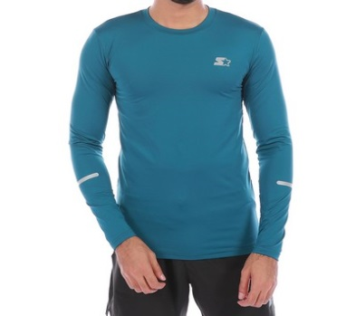 | STSJKY-01-21-A-001 | Sport Collarless Long Sleeve T-Shirts | WHITE | Men's | T-Shirts | Ready for delivery at the brand's warehouse | $9.50 | 119 |  |  |  |  |  | 0 | $-
 | STSJKY-01-21-A-002 | Sport Collarless Long Sleeve T-Shirts | NAVY | Men's | T-Shirts | Ready for delivery at the brand's warehouse | $9.50 | 203 |  |  |  |  |  | 0 | $-
 | STSJKY-01-21-A-003 | Sport Collarless Long Sleeve T-Shirts | BLACK | Men's | T-Shirts | Ready for delivery at the brand's warehouse | $9.50 | 94 |  |  |  |  |  | 0 | $-
 | STSJKY-01-21-A-014 | Sport Collarless Long Sleeve T-Shirts | GREY | Men's | T-Shirts | Ready for delivery at the brand's warehouse | $9.50 | 143 |  |  |  |  |  | 0 | $-
 | STSJKY-01-21-A-355 | Sport Collarless Long Sleeve T-Shirts | BLUE OCEAN | Men's | T-Shirts | Ready for delivery at the brand's warehouse | $9.50 | 191 |  |  |  |  |  | 0 | $-
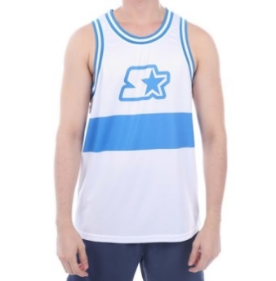 | STATKY-01-03-A-001 | Sport Tank Tops | WHITE | Men's | T-Shirts | Ready for delivery at the brand's warehouse | $8.50 | 324 |  |  |  |  |  | 0 | $-
 | STATKY-01-03-A-006 | Sport Tank Tops | RED | Men's | T-Shirts | Ready for delivery at the brand's warehouse | $8.50 | 348 |  |  |  |  |  | 0 | $-
 | STATKY-01-03-A-339 | Sport Tank Tops | BLUETEAL. | Men's | T-Shirts | Ready for delivery at the brand's warehouse | $8.50 | 312 |  |  |  |  |  | 0 | $-
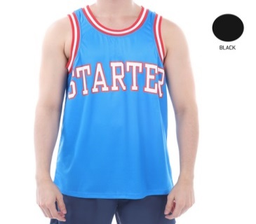 | STATKY-01-04-A-003 | Sport Tank Tops | BLACK | Men's | T-Shirts | Ready for delivery at the brand's warehouse | $8.50 | 213 |  |  |  |  |  | 0 | $-
 | STATKY-01-04-A-004 | Sport Tank Tops | ORANGE | Men's | T-Shirts | Ready for delivery at the brand's warehouse | $8.50 | 324 |  |  |  |  |  | 0 | $-
 | STATKY-01-04-A-087 | Sport Tank Tops | MD BLUE | Men's | T-Shirts | Ready for delivery at the brand's warehouse | $8.50 | 239 |  |  |  |  |  | 0 | $-
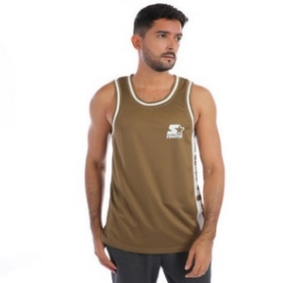 | STATKY-01-08-A-003 | Sport Tank Tops | BLACK | Men's | T-Shirts | Ready for delivery at the brand's warehouse | $8.50 | 227 |  |  |  |  |  | 0 | $-
 | STATKY-01-08-A-088 | Sport Tank Tops | DK. BLUE | Men's | T-Shirts | Ready for delivery at the brand's warehouse | $8.50 | 180 |  |  |  |  |  | 0 | $-
 | STATKY-01-08-A-327 | Sport Tank Tops | MILITARGREEN | Men's | T-Shirts | Ready for delivery at the brand's warehouse | $8.50 | 359 |  |  |  |  |  | 0 | $-
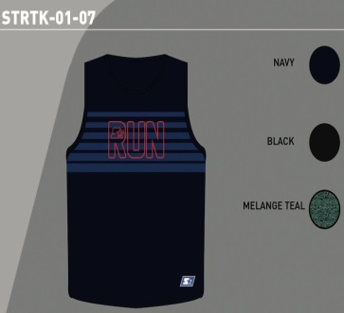 | STRTK-01-07-A-003 | Sport Tank Tops | BLACK | Men's | T-Shirts | Ready for delivery at the brand's warehouse | $8.50 | 312 |  |  |  |  |  | 0 | $-
 | STRTK-01-07-A-088 | Sport Tank Tops | DK. BLUE | Men's | T-Shirts | Ready for delivery at the brand's warehouse | $8.50 | 347 |  |  |  |  |  | 0 | $-
 | STRTK-01-07-A-339 | Sport Tank Tops | BLUETEAL. | Men's | T-Shirts | Ready for delivery at the brand's warehouse | $8.50 | 372 |  |  |  |  |  | 0 | $-
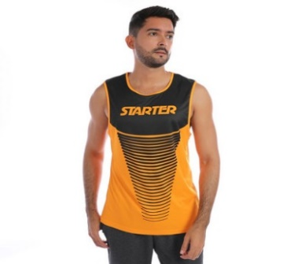 | STRTK-01-09-A-004 | Sport Tank Tops | ORANGE | Men's | T-Shirts | Ready for delivery at the brand's warehouse | $8.50 | 420 |  |  |  |  |  | 0 | $-
 | STRTK-01-09-A-016 | Sport Tank Tops | DK-GREY | Men's | T-Shirts | Ready for delivery at the brand's warehouse | $8.50 | 383 |  |  |  |  |  | 0 | $-
 | STRTK-01-09-A-075 | Sport Tank Tops | LIME | Men's | T-Shirts | Ready for delivery at the brand's warehouse | $8.50 | 396 |  |  |  |  |  | 0 | $-
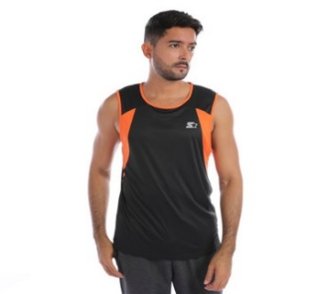 | STSTKY-01-01-A-003 | Sport Tank Tops | BLACK | Men's | T-Shirts | Ready for delivery at the brand's warehouse | $8.50 | 372 |  |  |  |  |  | 0 | $-
 | STSTKY-01-01-A-016 | Sport Tank Tops | DK-GREY | Men's | T-Shirts | Ready for delivery at the brand's warehouse | $8.50 | 372 |  |  |  |  |  | 0 | $-
 | STSTKY-01-01-A-904 | Sport Tank Tops | SKY | Men's | T-Shirts | Ready for delivery at the brand's warehouse | $8.50 | 372 |  |  |  |  |  | 0 | $-
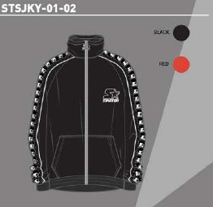 | STSJKY-01-02-A-003 | Jackets | BLACK | Men's | Outerwear | Ready for delivery at the brand's warehouse | $13.50 | 56 |  |  |  |  |  | 0 | $-
 | STSJKY-01-02-A-006 | Jackets | RED | Men's | Outerwear | Ready for delivery at the brand's warehouse | $13.50 | 76 |  |  |  |  |  | 0 | $-
 | STSJKY-01-01-A-339 | Sport Jackets | BLUETEAL. | Men's | Outerwear | Ready for delivery at the brand's warehouse | $13.50 | 67 |  |  |  |  |  | 0 | $-
 | STSJKY-01-10-A-003 | Sport Jackets | BLACK | Men's | Outerwear | Ready for delivery at the brand's warehouse | $13.50 | 78 |  |  |  |  |  | 0 | $-
 | STSJKY-01-12-A-003 | Sport Jackets | BLACK | Men's | Outerwear | Ready for delivery at the brand's warehouse | $13.50 | 79 |  |  |  |  |  | 0 | $-
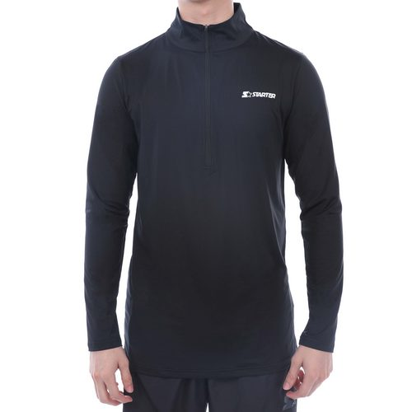 | STSJKY-01-20-A-002 | Sport Jackets | NAVY | Men's | Outerwear | Ready for delivery at the brand's warehouse | $13.50 | 139 |  |  |  |  |  | 0 | $-
 | STSJKY-01-20-A-014 | Sport Jackets | GREY | Men's | Outerwear | Ready for delivery at the brand's warehouse | $13.50 | 94 |  |  |  |  |  | 0 | $-
 | STSJKY-01-20-A-355 | Sport Jackets | BLUE OCEAN | Men's | Outerwear | Ready for delivery at the brand's warehouse | $13.50 | 92 |  |  |  |  |  | 0 | $-
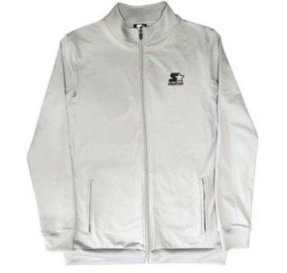 | STSJKY-01-31-A-002 | Sport Jackets | NAVY | Men's | Outerwear | Ready for delivery at the brand's warehouse | $13.50 | 372 |  |  |  |  |  | 0 | $-
 | STSJKY-01-31-A-003 | Sport Jackets | BLACK | Men's | Outerwear | Ready for delivery at the brand's warehouse | $13.50 | 348 |  |  |  |  |  | 0 | $-
 | STSJKY-01-31-A-036 | Sport Jackets | LT-GREY | Men's | Outerwear | Ready for delivery at the brand's warehouse | $13.50 | 312 |  |  |  |  |  | 0 | $-
 | STSJKYY-01-55-A-088 | Sport Jackets | DK. BLUE | Men's | Outerwear | Ready for delivery at the brand's warehouse | $13.50 | 14 |  |  |  |  |  | 0 | $-
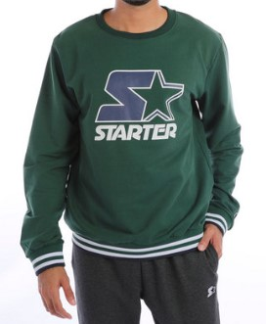 | STMHCYC-01-02-A-003 | Long Coats | BLACK | Men's | Outerwear | Ready for delivery at the brand's warehouse | $13.50 | 60 |  |  |  |  |  | 0 | $-
 | STMHCYC-01-02-A-339 | Long Coats | BLUETEAL. | Men's | Outerwear | Ready for delivery at the brand's warehouse | $13.50 | 311 |  |  |  |  |  | 0 | $-
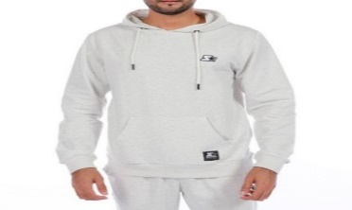 | STMHDY-01-01-A-004 | Long Sport Coats | ORANGE | Men's | Outerwear | Ready for delivery at the brand's warehouse | $13.50 | 147 |  |  |  |  |  | 0 | $-
 | STMHDY-01-01-A-005 | Long Sport Coats | GREEN | Men's | Outerwear | Ready for delivery at the brand's warehouse | $13.50 | 82 |  |  |  |  |  | 0 | $-
 | STMHDY-01-01-A-026 | Long Sport Coats | WINE | Men's | Outerwear | Ready for delivery at the brand's warehouse | $13.50 | 285 |  |  |  |  |  | 0 | $-
 | STMHDY-01-01-A-088 | Long Sport Coats | DK. BLUE | Men's | Outerwear | Ready for delivery at the brand's warehouse | $13.50 | 160 |  |  |  |  |  | 0 | $-
 | STMHDY-01-02-A-339 | Long Sport Coats | BLUETEAL. | Men's | Outerwear | Ready for delivery at the brand's warehouse | $13.50 | 25 |  |  |  |  |  | 0 | $-
 | STMHDY-01-03-A-088 | Long Sport Coats | DK. BLUE | Men's | Outerwear | Ready for delivery at the brand's warehouse | $13.50 | 48 |  |  |  |  |  | 0 | $-
 | STMHDY-01-05-A-874 | Long Sport Coats | H.BLACK | Men's | Outerwear | Ready for delivery at the brand's warehouse | $13.50 | 129 |  |  |  |  |  | 0 | $-
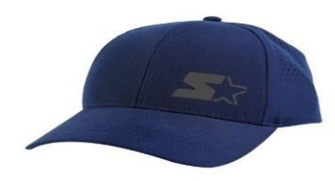 | STCAP-01-01-A-002 | Caps | NAVY | Men's | Accessories | Ready for delivery at the brand's warehouse | $8.50 | 905 |  |  |  |  |  | 0 | $-
 | STCAP-01-01-A-016 | Caps | DK-GREY | Men's | Accessories | Ready for delivery at the brand's warehouse | $8.50 | 933 |  |  |  |  |  | 0 | $-
 | STCAP-01-02-A-016 | Caps | DK-GREY | Men's | Accessories | Ready for delivery at the brand's warehouse | $8.50 | 972 |  |  |  |  |  | 0 | $-
 | STCAP-01-03-A-001 | Caps | WHITE | Men's | Accessories | Ready for delivery at the brand's warehouse | $8.50 | 924 |  |  |  |  |  | 0 | $-
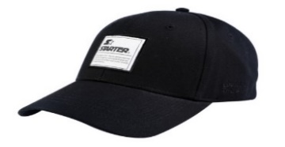 | STCAP-01-04-A-003 | Caps | BLACK | Men's | Accessories | Ready for delivery at the brand's warehouse | $8.50 | 941 |  |  |  |  |  | 0 | $-
 | STCAP-01-04-A-327 | Caps | MILITARGREEN | Men's | Accessories | Ready for delivery at the brand's warehouse | $8.50 | 1007 |  |  |  |  |  | 0 | $-
 | STCAP-01-05-A-003 | Caps | BLACK | Men's | Accessories | Ready for delivery at the brand's warehouse | $8.50 | 954 |  |  |  |  |  | 0 | $-
 | STCAP-01-05-A-006 | Caps | RED | Men's | Accessories | Ready for delivery at the brand's warehouse | $8.50 | 1055 |  |  |  |  |  | 0 | $-
 | STCAP-01-05-A-257 | Caps | ROYAL | Men's | Accessories | Ready for delivery at the brand's warehouse | $8.50 | 1043 |  |  |  |  |  | 0 | $-
 | STCAP-01-06-A-007 | Caps | H-GREY | Men's | Accessories | Ready for delivery at the brand's warehouse | $8.50 | 732 |  |  |  |  |  | 0 | $-
 | STCAP-01-07-A-016 | Caps | DK-GREY | Men's | Accessories | Ready for delivery at the brand's warehouse | $8.50 | 1103 |  |  |  |  |  | 0 | $-
 | STCAP-01-07-A-036 | Caps | LT-GREY | Men's | Accessories | Ready for delivery at the brand's warehouse | $8.50 | 1102 |  |  |  |  |  | 0 | $-
 | STCAP-01-08-A-002 | Caps | NAVY | Men's | Accessories | Ready for delivery at the brand's warehouse | $8.50 | 1140 |  |  |  |  |  | 0 | $-
 | STCAP-01-08-A-003 | Caps | BLACK | Men's | Accessories | Ready for delivery at the brand's warehouse | $8.50 | 899 |  |  |  |  |  | 0 | $-
 | STCAP-01-09-A-003 | Caps | BLACK | Men's | Accessories | Ready for delivery at the brand's warehouse | $8.50 | 983 |  |  |  |  |  | 0 | $-
 | STCAP-01-09-A-026 | Caps | WINE | Men's | Accessories | Ready for delivery at the brand's warehouse | $8.50 | 970 |  |  |  |  |  | 0 | $-
 | STCAP-01-10-A-011 | Caps | BEIGE | Men's | Accessories | Ready for delivery at the brand's warehouse | $8.50 | 989 |  |  |  |  |  | 0 | $-
 | STCAP-01-10-A-016 | Caps | DK-GREY | Men's | Accessories | Ready for delivery at the brand's warehouse | $8.50 | 1013 |  |  |  |  |  | 0 | $-
 | STCAP-01-11-A-003 | Caps | BLACK | Men's | Accessories | Ready for delivery at the brand's warehouse | $8.50 | 475 |  |  |  |  |  | 0 | $-
 | STCAP-01-11-A-014 | Caps | GREY | Men's | Accessories | Ready for delivery at the brand's warehouse | $8.50 | 563 |  |  |  |  |  | 0 | $-
 | STCAP-01-11-A-172 | Caps | LT SKY | Men's | Accessories | Ready for delivery at the brand's warehouse | $8.50 | 755 |  |  |  |  |  | 0 | $-
 | STCAP-01-12-A-904 | Caps | SKY | Men's | Accessories | Ready for delivery at the brand's warehouse | $8.50 | 839 |  |  |  |  |  | 0 | $-
 | STMJGY-02-51-A-003 | Joggers Pants | BLACK | Men's | Pants | Ready for delivery at the brand's warehouse | $12.50 | 155 |  |  |  |  |  | 0 | $-
 | STMJGY-02-51-A-007 | Joggers Pants | H-GREY | Men's | Pants | Ready for delivery at the brand's warehouse | $12.50 | 167 |  |  |  |  |  | 0 | $-
 | STMJGY-02-60-A-011 | Joggers Pants | BEIGE | Men's | Pants | Ready for delivery at the brand's warehouse | $12.50 | 156 |  |  |  |  |  | 0 | $-
 | STMJGY-02-60-A-021 | Joggers Pants | BLUE | Men's | Pants | Ready for delivery at the brand's warehouse | $12.50 | 155 |  |  |  |  |  | 0 | $-
 | STMJGY-02-60-A-022 | Joggers Pants | OLIVE | Men's | Pants | Ready for delivery at the brand's warehouse | $12.50 | 155 |  |  |  |  |  | 0 | $-
 | STSSSY-02-01-A-002 | Shorts | NAVY | Men's | Shorts | Ready for delivery at the brand's warehouse | $9.50 | 257 |  |  |  |  |  | 0 | $-
 | STSSSY-02-01-A-003 | Shorts | BLACK | Men's | Shorts | Ready for delivery at the brand's warehouse | $9.50 | 281 |  |  |  |  |  | 0 | $-
 | STSSSY-02-01-A-014 | Shorts | GREY | Men's | Shorts | Ready for delivery at the brand's warehouse | $9.50 | 155 |  |  |  |  |  | 0 | $-
 | STSSSY-02-01-A-042 | Shorts | CHARCOAL | Men's | Shorts | Ready for delivery at the brand's warehouse | $9.50 | 83 |  |  |  |  |  | 0 | $-
 | STSSSY-02-02-A-002 | Shorts | NAVY | Men's | Shorts | Ready for delivery at the brand's warehouse | $9.50 | 293 |  |  |  |  |  | 0 | $-
 | STSSSY-02-02-A-003 | Shorts | BLACK | Men's | Shorts | Ready for delivery at the brand's warehouse | $9.50 | 257 |  |  |  |  |  | 0 | $-
 | STSSSY-02-02-A-014 | Shorts | GREY | Men's | Shorts | Ready for delivery at the brand's warehouse | $9.50 | 281 |  |  |  |  |  | 0 | $-
 | STSSSY-02-02-A-026 | Shorts | WINE | Men's | Shorts | Ready for delivery at the brand's warehouse | $9.50 | 292 |  |  |  |  |  | 0 | $-
 | STSSSY-02-03-A-002 | Shorts | NAVY | Men's | Shorts | Ready for delivery at the brand's warehouse | $9.50 | 299 |  |  |  |  |  | 0 | $-
 | STSSSY-02-03-A-003 | Shorts | BLACK | Men's | Shorts | Ready for delivery at the brand's warehouse | $9.50 | 286 |  |  |  |  |  | 0 | $-
 | STSSSY-02-03-A-014 | Shorts | GREY | Men's | Shorts | Ready for delivery at the brand's warehouse | $9.50 | 299 |  |  |  |  |  | 0 | $-
 | STSSSY-02-03-A-026 | Shorts | WINE | Men's | Shorts | Ready for delivery at the brand's warehouse | $9.50 | 305 |  |  |  |  |  | 0 | $-
 | STSSSY-02-04-A-026 | Shorts | WINE | Men's | Shorts | Ready for delivery at the brand's warehouse | $9.50 | 185 |  |  |  |  |  | 0 | $-
 | STSSSY-02-06-A-299 | Shorts | TEAL | Men's | Shorts | Ready for delivery at the brand's warehouse | $9.50 | 185 |  |  |  |  |  | 0 | $-
 | STSSSY-02-07-A-002 | Shorts | NAVY | Men's | Shorts | Ready for delivery at the brand's warehouse | $9.50 | 245 |  |  |  |  |  | 0 | $-
 | STSSSY-02-07-A-003 | Shorts | BLACK | Men's | Shorts | Ready for delivery at the brand's warehouse | $9.50 | 257 |  |  |  |  |  | 0 | $-
 | STSSSY-02-07-A-014 | Shorts | GREY | Men's | Shorts | Ready for delivery at the brand's warehouse | $9.50 | 293 |  |  |  |  |  | 0 | $-
 | STSSSY-02-07-A-026 | Shorts | WINE | Men's | Shorts | Ready for delivery at the brand's warehouse | $9.50 | 293 |  |  |  |  |  | 0 | $-
 | STSSSY-02-08-A-002 | Shorts | NAVY | Men's | Shorts | Ready for delivery at the brand's warehouse | $9.50 | 89 |  |  |  |  |  | 0 | $-
 | STSSSY-02-08-A-006 | Shorts | RED | Men's | Shorts | Ready for delivery at the brand's warehouse | $9.50 | 281 |  |  |  |  |  | 0 | $-
 | STSSSY-02-08-A-042 | Shorts | CHARCOAL | Men's | Shorts | Ready for delivery at the brand's warehouse | $9.50 | 65 |  |  |  |  |  | 0 | $-
 | STSSSY-02-08-A-904 | Shorts | SKY | Men's | Shorts | Ready for delivery at the brand's warehouse | $9.50 | 257 |  |  |  |  |  | 0 | $-
 | STSSSY-02-10-A-002 | Shorts | NAVY | Men's | Shorts | Ready for delivery at the brand's warehouse | $9.50 | 281 |  |  |  |  |  | 0 | $-
 | STSSSY-02-10-A-003 | Shorts | BLACK | Men's | Shorts | Ready for delivery at the brand's warehouse | $9.50 | 279 |  |  |  |  |  | 0 | $-
 | STSSSY-02-10-A-014 | Shorts | GREY | Men's | Shorts | Ready for delivery at the brand's warehouse | $9.50 | 293 |  |  |  |  |  | 0 | $-
 | STSSSY-02-10-A-022 | Shorts | OLIVE | Men's | Shorts | Ready for delivery at the brand's warehouse | $9.50 | 293 |  |  |  |  |  | 0 | $-
 | STSSSY-02-10-A-257 | Shorts | ROYAL | Men's | Shorts | Ready for delivery at the brand's warehouse | $9.50 | 305 |  |  |  |  |  | 0 | $-
 | STSSSY-02-10-A-299 | Shorts | TEAL | Men's | Shorts | Ready for delivery at the brand's warehouse | $9.50 | 293 |  |  |  |  |  | 0 | $-
 | STSSSY-02-12-A-003 | Shorts | BLACK | Men's | Shorts | Ready for delivery at the brand's warehouse | $9.50 | 269 |  |  |  |  |  | 0 | $-
 | STSSSY-02-12-A-006 | Shorts | RED | Men's | Shorts | Ready for delivery at the brand's warehouse | $9.50 | 305 |  |  |  |  |  | 0 | $-
 | STSSSY-02-12-A-014 | Shorts | GREY | Men's | Shorts | Ready for delivery at the brand's warehouse | $9.50 | 281 |  |  |  |  |  | 0 | $-
 | STSSSY-02-12-A-299 | Shorts | TEAL | Men's | Shorts | Ready for delivery at the brand's warehouse | $9.50 | 305 |  |  |  |  |  | 0 | $-
 | STSSSY-02-14-A-003 | Shorts | BLACK | Men's | Shorts | Ready for delivery at the brand's warehouse | $9.50 | 100 |  |  |  |  |  | 0 | $-
 | STSSSY-02-14-A-014 | Shorts | GREY | Men's | Shorts | Ready for delivery at the brand's warehouse | $9.50 | 244 |  |  |  |  |  | 0 | $-
 | STSSSY-02-14-A-198 | Shorts | BLUEGREY | Men's | Shorts | Ready for delivery at the brand's warehouse | $9.50 | 89 |  |  |  |  |  | 0 | $-
 | STSSSY-02-14-A-299 | Shorts | TEAL | Men's | Shorts | Ready for delivery at the brand's warehouse | $9.50 | 269 |  |  |  |  |  | 0 | $-
 | STSSSY-02-16-A-002 | Shorts | NAVY | Men's | Shorts | Ready for delivery at the brand's warehouse | $9.50 | 293 |  |  |  |  |  | 0 | $-
...

